Sheet1
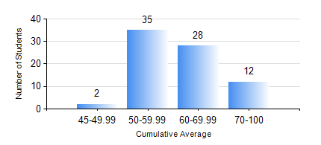
 |  |  | KWAME NKRUMAH UNIVERSITY OF SCIENCE AND TECHNOLOGY, KUMASI Department of Mechanical Engineering

 |  |  | BSC. MARINE ENG.

 |  |  | COMPREHENSIVE RECORD OF EXAMINATION RESULTS

 |  |  | RESULTS OF YEAR 2 SECOND SEMESTER, 2022/2023 ACADEMIC YEAR

 | Sn | Course Code |  | Course Name | Credit Hours | Min. Mark | Max. Mark | Avg. Mark | Std. Dev. | No. Passed | No. Trailed | No. (Df) | No. (I) | No. (I*) | No. Tagged(I,I*,Df) | Total
 | 0. |  |  |  |  |  |  | 0 | 0 | 0 | 0 | 0 | 0 | 0 | 0 | 4
 | 1. | MATH 252 |  | CALCULUS WITH SEVERAL VARIABLES | 4 | 47 | 88 | 62 | 9.02 | 73 | 0 | 0 | 0 | 0 | 0 | 73
 | 2. | ME 252 |  | FLUID DYNAMICS I | 2 | 20 | 87 | 54 | 15.05 | 68 | 5 | 0 | 0 | 0 | 0 | 73
 | 3. | ME 270 |  | MANUFACTURING TECHNOLOGY | 3 | 23 | 89 | 62 | 12.77 | 72 | 1 | 0 | 0 | 0 | 0 | 73
 | 4. | MME 264 |  | MARINE MECHANISMS, SYSTHESIS AND ANALYSIS | 3 | 17 | 88 | 56 | 15.87 | 63 | 10 | 0 | 0 | 0 | 0 | 73
 | 5. | MME 274 |  | MARINE ENGINEERING DESIGN PROJECT II | 2 | 23 | 96 | 56 | 18.04 | 64 | 9 | 0 | 0 | 0 | 0 | 73
 | 6. | MME 292 |  | SEAMANSHIP | 2 | 60 | 91 | 78 | 7.13 | 73 | 0 | 0 | 0 | 0 | 0 | 73
 | 7. | MME 296 |  | MARINE ENGINEERING LABORATORY I | 1 | 0 | 78 | 64 | 12.7 | 72 | 1 | 0 | 0 | 0 | 0 | 73
 | 8. | SES 172 |  | AQUATIC STROKES DEVELOPMENT AND REFINEMENT | 2 | 15 | 72 | 64 | 6.55 | 72 | 1 | 0 | 0 | 0 | 0 | 73

